Sheet1
 |  | Document No. |  |  | Issue No. | Issue Date |  |  |  | Review and Replace Date |  | Authorised By
 |  | GFF346MC |  |  | 3 | 28.10.2021 |  |  |  | 15.06.2022 |  | Magda Shah
 |  | Document Title |  |  | 26 Indian Selection 1020g
Document amendments reason for change |  | Spicy Tomato Sauce in sachets, weight increased and tray,film changed |  |  |  | Page 1 of 1 |  |  | Previous Issue Date |  | 28.12.2021 | Uncontrolled copy unless signed original

CINSC2-B26X8T |  |  | COSTCO |  |  |  | 26 Indian Selection 1020G | CHILLED
STEP 1 |  |  |  |  |  |  |  | STEP 2
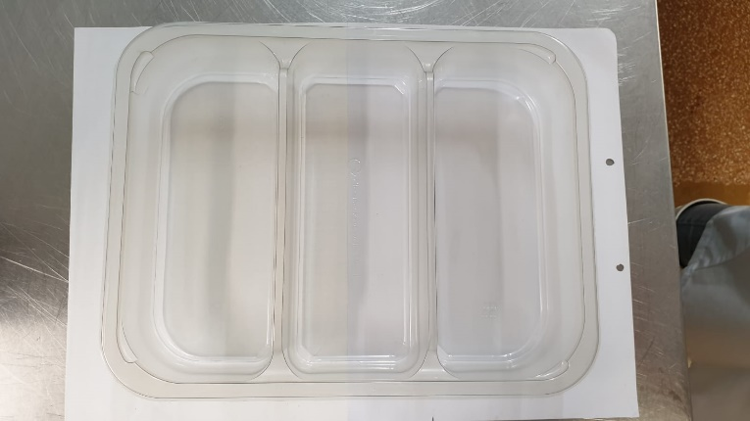 |  |  |  |  |  |  |  | 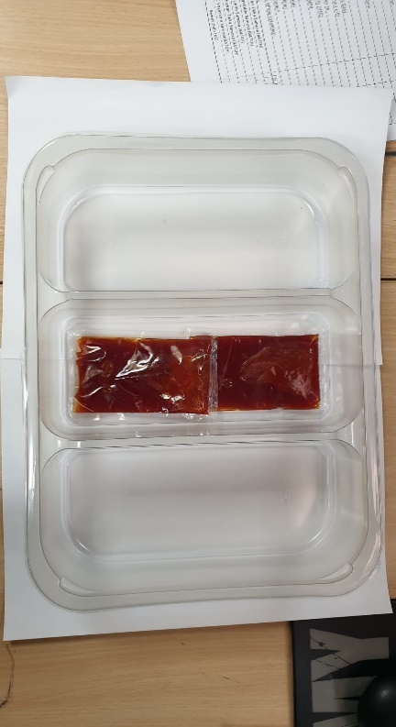

Packaging: Tray:3 cavity HW308/60 Transparent-(PKLEE001-08) |  |  |  |  |  |  |  | Spicy Tomato Dip Sachets (RMJAR001-01) 2 x 40g | 80g
Film: K Peel RPSM 25µm (340mmX1000lmm)-PKKMP001-05
 | STEP 3 |  |  | STEP 4 |  |  |  | STEP 5
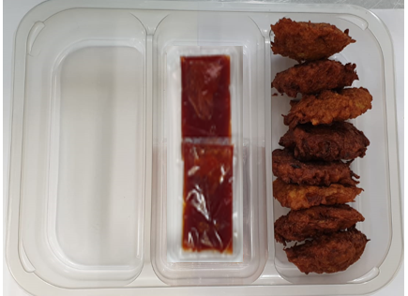
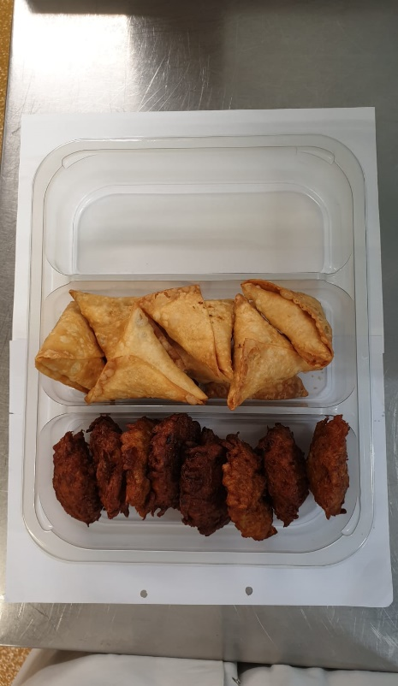
 |  |  |  |  |  |  |  | 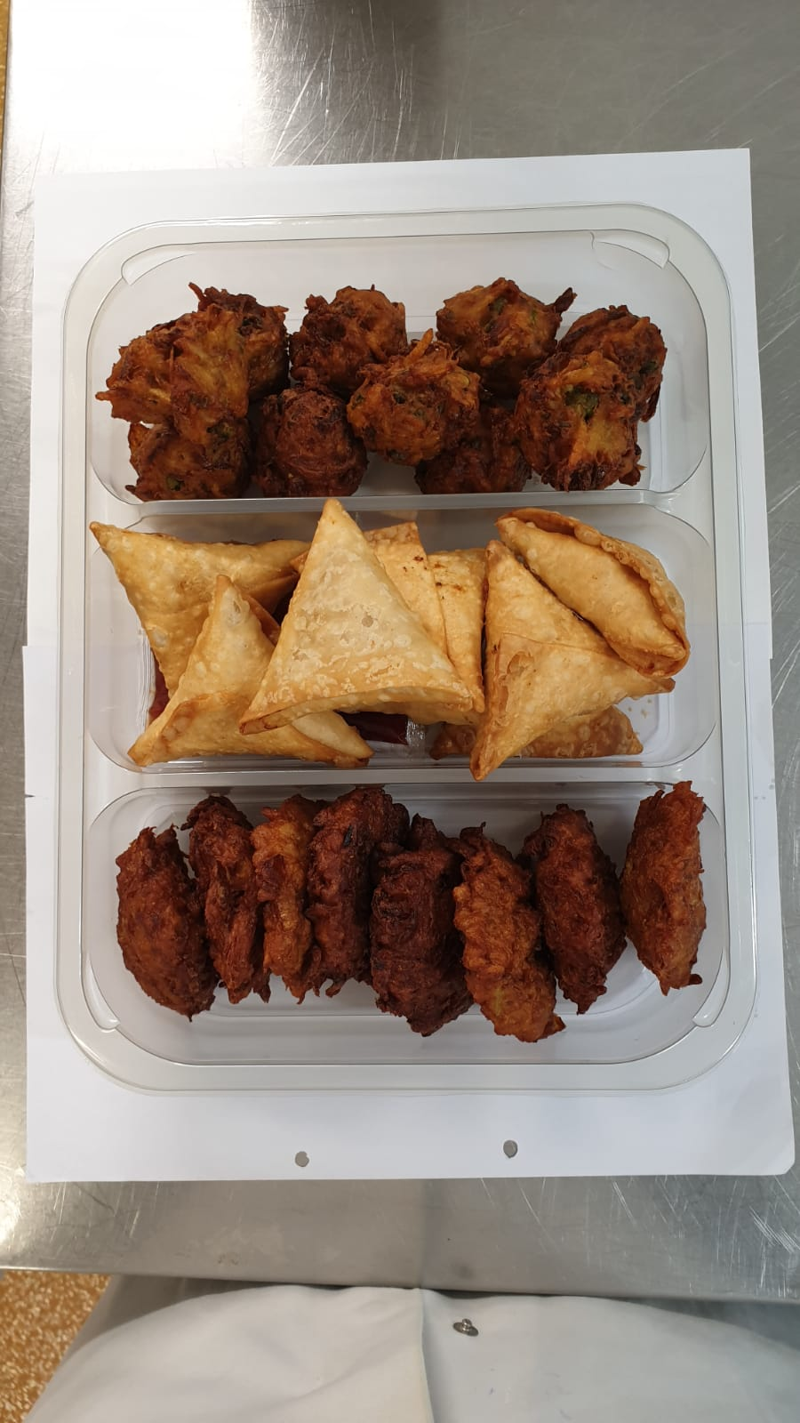

8 x Onion Bhaji Cocktail 40g (GFF121R) |  |  |  | 8 x Vegetable Samosas 40g (GFF123R) |  |  |  | 10 x Vegetable Pakora Cocktail 30g (GFF122R) |  |  |  | Total Weight 1020g
ALLERGY ALERT: Wheat (Gluten)/Sulphites

